Table of Contents
Crelan Pillar 3 disclosures

Quantitative templates | Reference | Qualitative templates | Reference

Regulatory Capital and Requirements
Key metrics | KM1 | Institution risk management approach | OVA
Overview of risk weighted exposure amounts | OV1 | Disclosure on governance arrangements | OVB
Composition of regulatory own funds | CC1 | ICAAP information | OVC
Reconciliation of regulatory own funds to balance sheet in the audited financial statements | CC2 | Main features of regulatory own funds instruments and eligible liabilities instruments | CCA
Geographical distribution of credit exposures relevant for the calculation of the countercyclical buffer | CCyB1 | LIA - Explanations of differences between accounting and regulatory exposure amounts | LIA
Amount of institution-specific countercyclical capital buffer | CCyB2 | LIB - Other qualitative information on the scope of application | LIB
Summary reconciliation of accounting assets and leverage ratio exposures | LR1 | Disclosure of LR qualitative information | LRA
Leverage ratio common disclosure | LR2 | Liquidity risk management | LIQA
Split-up of on balance sheet exposures (excluding derivatives, SFTs and exempted exposures) | LR3 | LIQB on qualitative information on LCR, which complements LIQ1 | LIQB
Funding & Liquidity risk |  | General qualitative information about credit risk | CRA
Quantitative information of LCR | LIQ1 | Additional disclosure related to the credit quality of assets | CRB
Net Stable Funding Ratio | LIQ2 | Qualitative disclosure requirements related to CRM techniques | CRC
Group Composition and Regulatory Applicability |  | Qualitative disclosure requirements related to standardised model | CRD
Differences between accounting and regulatory scopes of consolidation and mapping of financial statements with regulatory risk categories | LI1 | Qualitative disclosure requirements related to IRB approach | CRE
Main sources of differences between regulatory exposure amounts and carrying values in financial statements | LI2 | SECA - Qualitative disclosure requirements related to securitisation exposures | SECA
Outline of the differences in the scopes of consolidation | LI3 | Qualitative disclosure requirements related to market risk | MRA
Credit risk |  | Qualitative information on operational risk | ORA
Comparison of modelled and standardised risk weighted exposure amounts at risk level | CMS1 | Remuneration policy | REMA
Comparison of modelled and standardised risk weighted exposure amounts at risk level | CMS2 | Accompanying narrative information | AE4
Performing and non-performing exposures and related provisions | CR1 | Qualitative information on interest rate risks of non-trading book activities | IRRBBA
Maturity of exposures | CR1-A | Qualitative information on Environmental risk | ESGA
Credit quality of forborne exposures | CQ1 | Qualitative information on Social risk | ESGB
Credit quality of performing and non-performing exposures by past due days | CQ3 | Qualitative information on Governance risk | ESGC
Quality of non-performing exposures by geography | CQ4
Credit quality of loans and advances by industry | CQ5
CRM techniques overview: Disclosure of the use of credit risk mitigation techniques | CR3
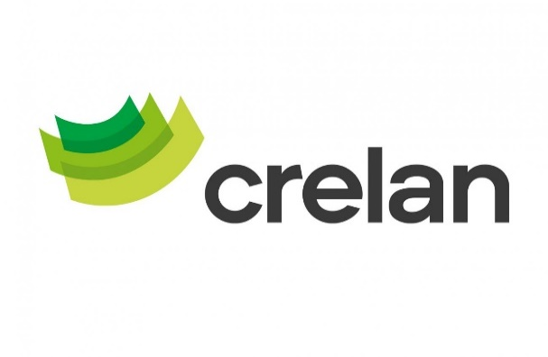
Standardised approach -Credit risk exposure and CRM effects | CR4
Standardised approach | CR5
IRB approach – Credit risk exposures by exposure class and PD range | CR6
Scope of the use of IRB and SA approaches | CR6-A
IRB approach – Effect on the RWEAs of credit derivatives used as CRM techniques | CR7
IRB approach – Disclosure of the extent of the use of CRM techniques | CR7-A
RWEA flow statements of credit risk exposures under the IRB approach | CR8
A-IRB approach – Back-testing of PD per exposure class (fixed PD scale) | CR9-A
Counterparty credit risk
Analysis of CCR exposure by approach | CCR1
Standardised approach – CCR exposures by regulatory exposure class and risk weights | CCR3
Composition of collateral for CCR exposures | CCR5
Exposures to CCPs | CCR8
Securitisation
Securitisation exposures in the non-trading book | SEC1
Securitisation exposures in the non-trading book and associated regulatory capital requirements - institution acting as originator or as sponsor | SEC3
Exposures securitised by the institution - Exposures in default and specific credit risk adjustments | SEC5
Operational Risk
Operational risk own funds requirements and risk-weighted exposure amounts | OR1
Market Risk
Market risk under the simplified standardised approach (SSA) | MR3
Remuneration
Remuneration awarded for the financial year | REM1
Special payments to staff whose professional activities have a material impact on institutions’ risk profile (identified staff) | REM2
Deferred remuneration | REM3
Remuneration of 1 million EUR or more per year | REM4
Information on remuneration of staff whose professional activities have a material impact on institutions’ risk profile (identified staff) | REM5
Asset Encumbrance
Encumbered and unencumbered assets | AE1
Collateral received and own debt securities issued | AE2
Sources of encumbrance | AE3
Interest rate risk in the banking book
Interest rate risks of non-trading book activities | IRRBB1
ESG
Banking book- Climate Change transition risk: Credit quality of exposures by sector, emissions and residual maturity | ESG1
Banking book - Climate change transition risk: Loans collateralised by immovable property - Energy efficiency of the collateral | ESG2
Banking book - Indicators of potential climate change transition risk: Alignment metrics (IAE/NACE codes) | ESG3
Banking book - Climate change transition risk: Exposures to top 20 carbon-intensive firms | ESG4
Banking book - Climate change physical risk: Exposures subject to physical risk | ESG5
Other climate change mitigating actions that are not covered in the EU Taxonomy | ESG10
The Minimum Requirement for Own Funds and Eligible Liabilities
Key metrics - MREL and, where applicable, G-SII requirement for own funds and eligible liabilities | KM2
Composition - MREL and, where applicable, G-SII requirement for own funds and eligible liabilities | TLAC1

